Scenario A
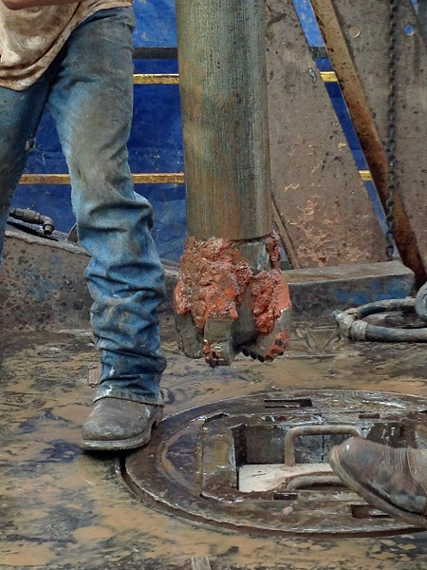
Scenario-Based Drilling Cost Calculator
- Fill in the blank cells. Colored cells are calculated items.
- Bit cost can be a total "through the table" or a cost per foot drilled.
- Leave scenario probabilities at 100% to compare cost per foot scenarios.
- To calculate probability-based cost for combined scenarios, all scenario
probabilities must add to 100%.
- To calculate probability-based cost for multiple combined scenarios
use more than one Scenario Worksheets

 | Rig Rate ($/hr) | $850
Round Trip Rate (hrs/1000 ft) |  | 1.00
 | Motor Minimum cost
 | Motor Hourly cost
 | Motor Repair Charge

 | Scenario 1 |  |  |  | Scenario 2
 | Probability |  | 100% |  | Probability |  | 0%
 | Bit 1 | Bit 2 | Bit 3 |  | Bit 1 | Bit 2 | Bit 3
Bit Type | 8.5 616yr
Bit Cost ($ thru table) | $9,500 |  |  | Scenario 1 |  |  |  | Scenario 2
Bit Cost ($ per foot) |  |  |  | Aggregate |  |  |  | Aggregate
Using Motor? (Y/N) | y
Depth In | 10,000 |  |  | 10,000
Depth Out | 16,000 |  |  | 16,000
Footage | 6,000 |  |  | 6,000
Hours | 60.00 |  |  | 60.00
ROP (ft/hr) | 100.0 |  |  | 100.0
 |  |  |  | Scenario 1 |  |  |  | Scenario 2
 |  |  |  | Costs |  |  |  | Costs | Aggregate Costs
Bit Cost | $9,500 |  |  | $9,500 |  |  |  | $0 | $9,500
Motor Cost | $0 |  |  | $0 |  |  |  | $0 | $0
Drilling Time Cost | $51,000 |  |  | $51,000 |  |  |  | $0 | $51,000
Trip Time Cost | $13,600 |  |  | $13,600 |  |  |  | $0 | $13,600
Total Interval Cost | $74,100 |  |  | $74,100 |  |  |  | $0 | $74,100

Cost Per Foot | $12.35 |  |  | $12.35 |  |  |  |  | $12.35

Scenario B
Scenario-Based Drilling Cost Calculator
- Fill in the blank cells. Colored cells are calculated items.
- Bit cost can be a total "through the table" or a cost per foot drilled.
- Leave scenario probabilities at 100% to compare cost per foot scenarios.
- To calculate probability-based cost for combined scenarios, all scenario
probabilities must add to 100%.
- To calculate probability-based cost for multiple combined scenarios
use more than one Scenario Worksheets

 | Rig Rate ($/hr) | $650
Round Trip Rate (hrs/1000 ft) |  | 1.00
 | Motor Minimum cost
 | Motor Hourly cost
 | Motor Repair Charge

 | Scenario 1 |  |  |  | Scenario 2
 | Probability |  | 100% |  | Probability |  | 0%
 | Bit 1 | Bit 2 | Bit 3 |  | Bit 1 | Bit 2 | Bit 3
Bit Type
Bit Cost ($ thru table) |  |  |  | Scenario 1 |  |  |  | Scenario 2
Bit Cost ($ per foot) |  |  |  | Aggregate |  |  |  | Aggregate
Using Motor? (Y/N)
Depth In
Depth Out
Footage
Hours
ROP (ft/hr)
 |  |  |  | Scenario 1 |  |  |  | Scenario 2
 |  |  |  | Costs |  |  |  | Costs | Aggregate Costs
Bit Cost |  |  |  | $0 |  |  |  | $0 | $0
Motor Cost |  |  |  | $0 |  |  |  | $0 | $0
Drilling Time Cost |  |  |  | $0 |  |  |  | $0 | $0
Trip Time Cost |  |  |  | $0 |  |  |  | $0 | $0
Total Interval Cost |  |  |  | $0 |  |  |  | $0 | $0

Cost Per Foot

Scenario C
Scenario-Based Drilling Cost Calculator
- Fill in the blank cells. Colored cells are calculated items.
- Bit cost can be a total "through the table" or a cost per foot drilled.
- Leave scenario probabilities at 100% to compare cost per foot scenarios.
- To calculate probability-based cost for combined scenarios, all scenario
probabilities must add to 100%.
- To calculate probability-based cost for multiple combined scenarios
use more than one Scenario Worksheets

 | Rig Rate ($/hr) | $650
Round Trip Rate (hrs/1000 ft) |  | 1.00
 | Motor Minimum cost
 | Motor Hourly cost
 | Motor Repair Charge

 | Scenario 1 |  |  |  | Scenario 2
 | Probability |  | 100% |  | Probability |  | 0%
 | Bit 1 | Bit 2 | Bit 3 |  | Bit 1 | Bit 2 | Bit 3
Bit Type
Bit Cost ($ thru table) |  |  |  | Scenario 1 |  |  |  | Scenario 2
Bit Cost ($ per foot) |  |  |  | Aggregate |  |  |  | Aggregate
Using Motor? (Y/N)
Depth In
Depth Out
Footage
Hours
ROP (ft/hr)
 |  |  |  | Scenario 1 |  |  |  | Scenario 2
 |  |  |  | Costs |  |  |  | Costs | Aggregate Costs
Bit Cost |  |  |  | $0 |  |  |  | $0 | $0
Motor Cost |  |  |  | $0 |  |  |  | $0 | $0
Drilling Time Cost |  |  |  | $0 |  |  |  | $0 | $0
Trip Time Cost |  |  |  | $0 |  |  |  | $0 | $0
Total Interval Cost |  |  |  | $0 |  |  |  | $0 | $0

Cost Per Foot

